Kickstarter Pivot.By Country
country | (All)
 | successful | failed | canceled | live
film & video | 300 | 180 | 40
food | 34 | 140 | 20 | 6
games | 80 | 140
journalism |  |  | 24
music | 540 | 120 | 20 | 20
photography | 103 | 117
publishing | 80 | 127 | 30
technology | 209 | 213 | 178
theater | 839 | 493 | 37 | 24
Count of Outcome | Outcome
category | successful | failed | canceled | live | Grand Total
film & video | 300 | 180 | 40 |  | 520
food | 34 | 140 | 20 | 6 | 200
games | 80 | 140 |  |  | 220
journalism |  |  | 24 |  | 24
music | 540 | 120 | 20 | 20 | 700
photography | 103 | 117 |  |  | 220
publishing | 80 | 127 | 30 |  | 237
technology | 209 | 213 | 178 |  | 600
theater | 839 | 493 | 37 | 24 | 1393
Grand Total | 2185 | 1530 | 349 | 50 | 4114

Pivot by SubCategory
country | (All)
category | (All)
 | successful | failed | canceled | live
animation |  | 100
art books |  |  | 20
audio |  |  | 24
children's books |  | 40
classical music | 40
documentary | 180
drama |  | 80
electronic music | 40
faith |  | 40 |  | 20
fiction |  | 40
food trucks |  | 120 | 20
gadgets |  | 20
hardware | 140
indie rock | 140 | 20
jazz |  | 60
makerspaces | 9 | 11
metal | 20
mobile games |  | 40
musical | 60 | 60 | 20
nature |  | 20
nonfiction | 60
people |  | 20
photobooks | 103 | 57
places |  | 20
plays | 694 | 353 |  | 19
pop | 40
radio & podcasts | 20
restaurants |  | 20
rock | 260
science fiction |  |  | 40
shorts | 60
small batch | 34 |  |  | 6
space exploration | 40 | 2 | 18
spaces | 85 | 80 | 17 | 5
tabletop games | 80
television | 60
translations |  | 47 | 10
video games |  | 100
wearables | 20 | 120 | 60
web |  | 60 | 100
world music |  |  | 20
Count of Outcome | Outcome
subcategory | successful | failed | canceled | live | Grand Total
animation |  | 100 |  |  | 100
art books |  |  | 20 |  | 20
audio |  |  | 24 |  | 24
children's books |  | 40 |  |  | 40
classical music | 40 |  |  |  | 40
documentary | 180 |  |  |  | 180
drama |  | 80 |  |  | 80
electronic music | 40 |  |  |  | 40
faith |  | 40 |  | 20 | 60
fiction |  | 40 |  |  | 40
food trucks |  | 120 | 20 |  | 140
gadgets |  | 20 |  |  | 20
hardware | 140 |  |  |  | 140
indie rock | 140 | 20 |  |  | 160
jazz |  | 60 |  |  | 60
makerspaces | 9 | 11 |  |  | 20
metal | 20 |  |  |  | 20
mobile games |  | 40 |  |  | 40
musical | 60 | 60 | 20 |  | 140
nature |  | 20 |  |  | 20
nonfiction | 60 |  |  |  | 60
people |  | 20 |  |  | 20
photobooks | 103 | 57 |  |  | 160
places |  | 20 |  |  | 20
plays | 694 | 353 |  | 19 | 1066
pop | 40 |  |  |  | 40
radio & podcasts | 20 |  |  |  | 20
restaurants |  | 20 |  |  | 20
rock | 260 |  |  |  | 260
science fiction |  |  | 40 |  | 40
shorts | 60 |  |  |  | 60
small batch | 34 |  |  | 6 | 40
space exploration | 40 | 2 | 18 |  | 60
spaces | 85 | 80 | 17 | 5 | 187
tabletop games | 80 |  |  |  | 80
television | 60 |  |  |  | 60
translations |  | 47 | 10 |  | 57
video games |  | 100 |  |  | 100
wearables | 20 | 120 | 60 |  | 200
web |  | 60 | 100 |  | 160
world music |  |  | 20 |  | 20
Grand Total | 2185 | 1530 | 349 | 50 | 4114

Pivot By Date
Parent Category | (All)
Years | (All)

 | canceled | failed | live | successful
Jan | 34 | 149 | 2 | 182
Feb | 27 | 106 | 18 | 202
Mar | 28 | 108 | 30 | 180
Apr | 27 | 102 |  | 192
May | 26 | 126 |  | 234
Jun | 27 | 147 |  | 211
Jul | 43 | 150 |  | 194
Aug | 33 | 134 |  | 166
Sep | 24 | 127 |  | 147
Oct | 20 | 149 |  | 183
Nov | 37 | 114 |  | 183
Dec | 23 | 118 |  | 111
Count of Outcomes | Column Labels
Row Labels | canceled | failed | live | successful | Grand Total
Jan | 34 | 149 | 2 | 182 | 367
Feb | 27 | 106 | 18 | 202 | 353
Mar | 28 | 108 | 30 | 180 | 346
Apr | 27 | 102 |  | 192 | 321
May | 26 | 126 |  | 234 | 386
Jun | 27 | 147 |  | 211 | 385
Jul | 43 | 150 |  | 194 | 387
Aug | 33 | 134 |  | 166 | 333
Sep | 24 | 127 |  | 147 | 298
Oct | 20 | 149 |  | 183 | 352
Nov | 37 | 114 |  | 183 | 334
Dec | 23 | 118 |  | 111 | 252
Grand Total | 349 | 1530 | 50 | 2185 | 4114

Bonus
Goal | Number Successful | Number Failed | Number Canceled | Total Projects | Percentage Successful | Percentage Failed | Percentage Canceled
Less Than 1000 | 322 | 113 | 18 | 453 | 71% | 25% | 4%
1000 to 4999 | 932 | 420 | 60 | 1412 | 66% | 30% | 4%
5000 to 9999 | 381 | 283 | 52 | 716 | 53% | 40% | 7%
10000 to 14999 | 168 | 144 | 40 | 352 | 48% | 41% | 11%
15000 to 19999 | 94 | 90 | 17 | 201 | 47% | 45% | 8%
20000 to 24999 | 62 | 72 | 14 | 148 | 42% | 49% | 9%
25000 to 29999 | 55 | 64 | 18 | 137 | 40% | 47% | 13%
30000 to 34999 | 32 | 37 | 13 | 82 | 39% | 45% | 16%
35000 to 39999 | 26 | 22 | 7 | 55 | 47% | 40% | 13%
40000 to 44999 | 21 | 16 | 6 | 43 | 49% | 37% | 14%
45000 to 49999 | 6 | 11 | 4 | 21 | 29% | 52% | 19%
Greater than or equal to 50000 | 86 | 258 | 100 | 444 | 19% | 58% | 23%

Outcomes Based on Goal

Pivot Catergories by Percent
country | (All)

Success Rates by Categories
Count of Outcome | Outcome
category | successful | failed | canceled | live | Grand Total
film & video | 57.69% | 34.62% | 7.69% | 0.00% | 100.00%
food | 17.00% | 70.00% | 10.00% | 3.00% | 100.00%
games | 36.36% | 63.64% | 0.00% | 0.00% | 100.00%
journalism | 0.00% | 0.00% | 100.00% | 0.00% | 100.00%
music | 77.14% | 17.14% | 2.86% | 2.86% | 100.00%
photography | 46.82% | 53.18% | 0.00% | 0.00% | 100.00%
publishing | 33.76% | 53.59% | 12.66% | 0.00% | 100.00%
technology | 34.83% | 35.50% | 29.67% | 0.00% | 100.00%
theater | 60.23% | 35.39% | 2.66% | 1.72% | 100.00%
Grand Total | 53.11% | 37.19% | 8.48% | 1.22% | 100.00%

Pivot SubCat by Percent
country | (All)
category | (All)
Success Rates by Categories
Count of Outcome | Outcome
subcategory | successful | failed | canceled | live | Grand Total
animation | 0.00% | 100.00% | 0.00% | 0.00% | 100.00%
art books | 0.00% | 0.00% | 100.00% | 0.00% | 100.00%
audio | 0.00% | 0.00% | 100.00% | 0.00% | 100.00%
children's books | 0.00% | 100.00% | 0.00% | 0.00% | 100.00%
classical music | 100.00% | 0.00% | 0.00% | 0.00% | 100.00%
documentary | 100.00% | 0.00% | 0.00% | 0.00% | 100.00%
drama | 0.00% | 100.00% | 0.00% | 0.00% | 100.00%
electronic music | 100.00% | 0.00% | 0.00% | 0.00% | 100.00%
faith | 0.00% | 66.67% | 0.00% | 33.33% | 100.00%
fiction | 0.00% | 100.00% | 0.00% | 0.00% | 100.00%
food trucks | 0.00% | 85.71% | 14.29% | 0.00% | 100.00%
gadgets | 0.00% | 100.00% | 0.00% | 0.00% | 100.00%
hardware | 100.00% | 0.00% | 0.00% | 0.00% | 100.00%
indie rock | 87.50% | 12.50% | 0.00% | 0.00% | 100.00%
jazz | 0.00% | 100.00% | 0.00% | 0.00% | 100.00%
makerspaces | 45.00% | 55.00% | 0.00% | 0.00% | 100.00%
metal | 100.00% | 0.00% | 0.00% | 0.00% | 100.00%
mobile games | 0.00% | 100.00% | 0.00% | 0.00% | 100.00%
musical | 42.86% | 42.86% | 14.29% | 0.00% | 100.00%
nature | 0.00% | 100.00% | 0.00% | 0.00% | 100.00%
nonfiction | 100.00% | 0.00% | 0.00% | 0.00% | 100.00%
people | 0.00% | 100.00% | 0.00% | 0.00% | 100.00%
photobooks | 64.38% | 35.63% | 0.00% | 0.00% | 100.00%
places | 0.00% | 100.00% | 0.00% | 0.00% | 100.00%
plays | 65.10% | 33.11% | 0.00% | 1.78% | 100.00%
pop | 100.00% | 0.00% | 0.00% | 0.00% | 100.00%
radio & podcasts | 100.00% | 0.00% | 0.00% | 0.00% | 100.00%
restaurants | 0.00% | 100.00% | 0.00% | 0.00% | 100.00%
rock | 100.00% | 0.00% | 0.00% | 0.00% | 100.00%
science fiction | 0.00% | 0.00% | 100.00% | 0.00% | 100.00%
shorts | 100.00% | 0.00% | 0.00% | 0.00% | 100.00%
small batch | 85.00% | 0.00% | 0.00% | 15.00% | 100.00%
space exploration | 66.67% | 3.33% | 30.00% | 0.00% | 100.00%
spaces | 45.45% | 42.78% | 9.09% | 2.67% | 100.00%
tabletop games | 100.00% | 0.00% | 0.00% | 0.00% | 100.00%
television | 100.00% | 0.00% | 0.00% | 0.00% | 100.00%
translations | 0.00% | 82.46% | 17.54% | 0.00% | 100.00%
video games | 0.00% | 100.00% | 0.00% | 0.00% | 100.00%
wearables | 10.00% | 60.00% | 30.00% | 0.00% | 100.00%
web | 0.00% | 37.50% | 62.50% | 0.00% | 100.00%
world music | 0.00% | 0.00% | 100.00% | 0.00% | 100.00%
Grand Total | 53.11% | 37.19% | 8.48% | 1.22% | 100.00%

Pivot By Percentage
country | (All)
Parent Category | (All)
Outcome | (All)
Successful by Sub-Category
 | Values
subcategory | Count of Outcomes | Percent of Total
plays | 1066 | 25.91%
rock | 260 | 6.32%
wearables | 200 | 4.86%
spaces | 187 | 4.55%
documentary | 180 | 4.38%
photobooks | 160 | 3.89%
web | 160 | 3.89%
indie rock | 160 | 3.89%
hardware | 140 | 3.40%
food trucks | 140 | 3.40%
musical | 140 | 3.40%
video games | 100 | 2.43%
animation | 100 | 2.43%
drama | 80 | 1.94%
tabletop games | 80 | 1.94%
faith | 60 | 1.46%
jazz | 60 | 1.46%
space exploration | 60 | 1.46%
shorts | 60 | 1.46%
television | 60 | 1.46%
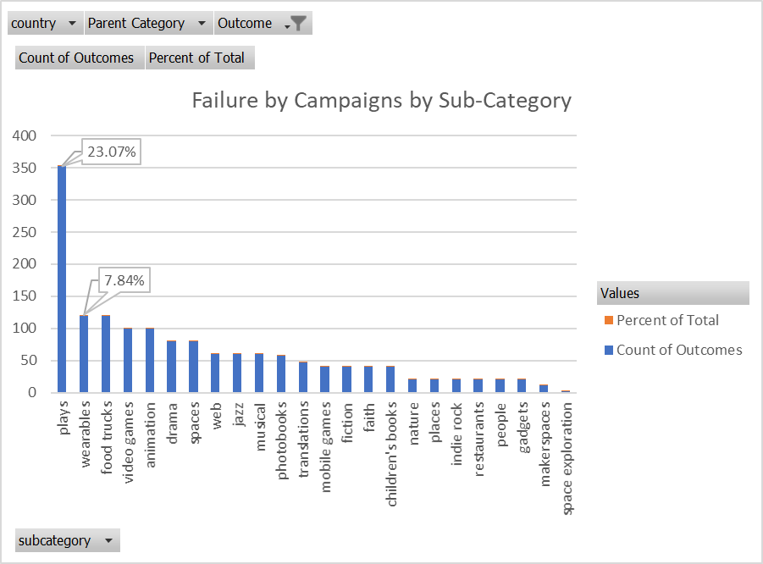
nonfiction | 60 | 1.46%
translations | 57 | 1.39%
electronic music | 40 | 0.97%
fiction | 40 | 0.97%
classical music | 40 | 0.97%
mobile games | 40 | 0.97%
pop | 40 | 0.97%
children's books | 40 | 0.97%
science fiction | 40 | 0.97%
small batch | 40 | 0.97%
audio | 24 | 0.58%
nature | 20 | 0.49%
art books | 20 | 0.49%
world music | 20 | 0.49%
radio & podcasts | 20 | 0.49%
gadgets | 20 | 0.49%
makerspaces | 20 | 0.49%
people | 20 | 0.49%
metal | 20 | 0.49%
places | 20 | 0.49%
restaurants | 20 | 0.49%
Grand Total | 4114 | 100.00%

